Definitions
Verification Methods | Example Requirement | Example Verification Process
Inspection | The system shall be green | The customer looks at the system and determines it is green
Demonstration | The system shall not fail immediately when unplugged | The customer unplugs the system when operating and observes that it does not fail
Analysis | The system structure shall withstand a 10g shock load | The team performs an FE analysis with a 10g shock load and presents computational results to support this requirement
Test | The system shall continue to operate for no less than 10 minutes when unplugged | The customer unplugs the system and uses a stopwatch to validate that the system continues to operate for 10 minutes or more

 |  |  | Info from Lecture 2
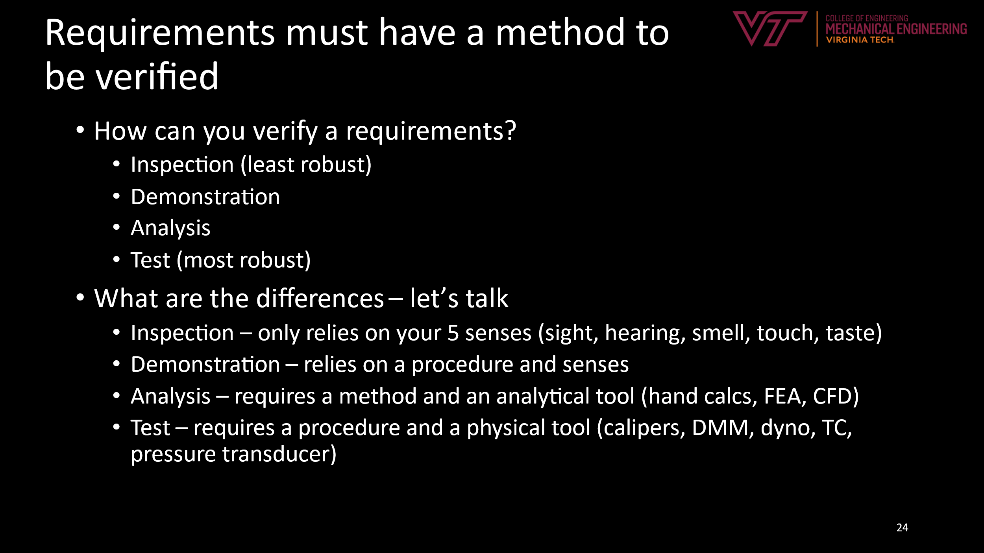

Verbiage | Approximate legal meaning
Shall | contractually binding, i.e. non-negotiable - if the hardware does not conform, it is not acceptable for delivery to the customer
Should | these are desire-ments, not hard requirements - not meeting requirements in this category would not consititue a non-conformance and the customer will still accept the product. Should be used for requirements that are seen as negotiable as development progresses
Must | A statement of fact to be verified
NOTE: There are a number of other vairations on requirements verbiage. For this class, we will keep it simple and use shall and should to be indicative of threshold and objective targets for quantitative metrics. Binary metrics may use must or shall (e.g. A Class 3B laser safety sign must be affixed to the system)

